Sheet7
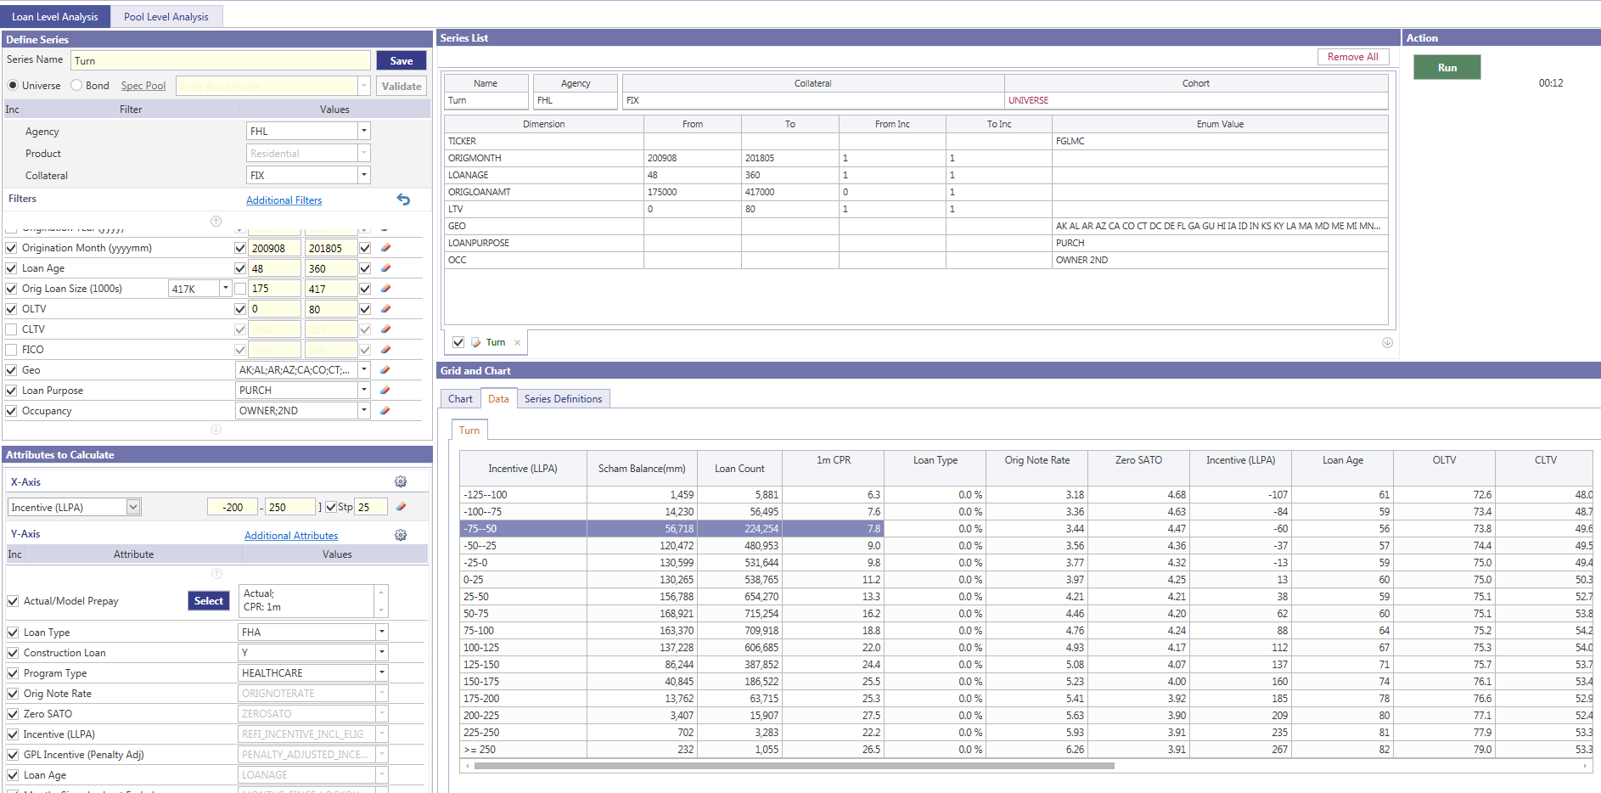
Sum of cpr | Column Labels
Row Labels | 2 | 6 | 10
-100 | 0.39 | 5.92 | 7.76
-75 | 3.42 | 7.42 | 8.42
-50 | 4.69 | 7.43 | 8.39
-25 | 6.61 | 8.37 | 9.51

Sum of bal | Column Labels
Row Labels | 2 | 6 | 10
-100 | 118,301,293 | 755,070,403 | 567,565,394
-75 | 480,098,354 | 7,532,657,473 | 5,921,402,762
-50 | 1,737,319,889 | 26,515,662,120 | 24,696,970,490
-25 | 3,428,114,951 | 53,946,468,863 | 57,597,126,561
and calcOrigMonth_LL >= 200907 and calcOrigMonth_LL <= 201805
and cl.origLTV >= 0 and cl.origLTV<=80
and clh.loanAge >= 48
and refi_incentive <= -25
and occType in ('OWNER', '2ND')
and loanPurposeType = 'PURCH'
and originalLoanAmount > 175000 and originalLoanAmount <= 417000
and cl.state not in ('NY','IL')

Sum of hpa_ | Column Labels
Row Labels | 2 | 6 | 10
-100 | 1.1 | 4.3 | 8.3
-75 | 1.3 | 4.2 | 8.4
-50 | 1.3 | 4.1 | 8.6
-25 | 1.2 | 4.1 | 8.7

